Sheet1
Text | Answer Expected | Group 1 | Group 2 | Group 3 | Group 4
How are you doing today | Group 4 | Sun | Read | Please | Today
I love to read books in my free time | Group 2, Group 3 | Meet | Talented | Forward | Pass
What time is the meeting | Group 1, Group 3 | Buy | West | Meeting | East
Can you please pass me the salt | Group 3, Group 4 | Supermarket | Week | Books | West
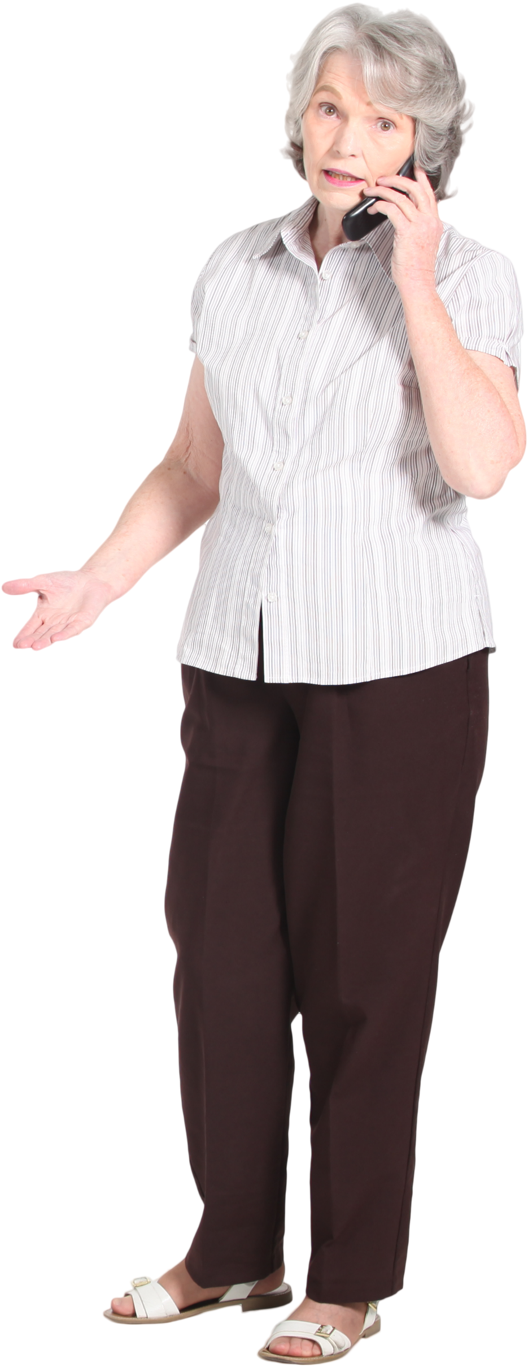
I'm looking forward to our vacation next week | Group 1, Group 2, Group 3 | Problem |  | East | Restaurant
The sun rises in the east and sets in the west | Group 1, Group 2, Group 3, Group 4 | Week
I'll meet you at the restaurant at 7 pm | Group 1, Group 4 | Meeting
I need to buy some groceries from the supermarket | Group 1 | Math
Could you please help me with this math problem | Group 1, Group 3
She is a talented singer | Group 2
Populate the Groups (from table 2) on the basis of words appearing in Text column. The answer should be sorted and group names should be unique.

